VMS
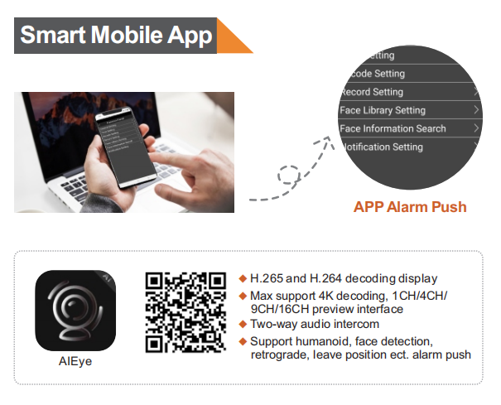
VMS Software & Mobile App
Centralized Management Software VMS2.0
Picture | Model | Function | Description | Feature | VIP Price | Remark
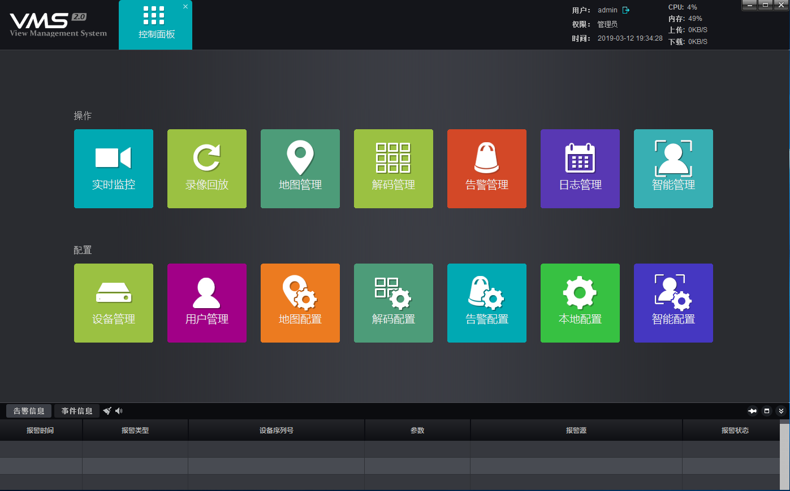 | VMS2.0 | 1, Real-time preview: used to display real-time images, operate PTZ, voice intercom, etc. 2, Video playback: for playback of video, support for multi-condition retrieval, support for backup 3, Map configuration: import map, with front-end equipment, device location at a glance 4, Map management: real-time preview and playback through the map 5, Decoding configuration: configure the decoder for the video wall 6, Decoding management: operating the TV wall, support round patrol 7, Device management: access the operating device and manage the connected device. 8, User management: management users, support permissions division 9, Alarm configuration: Configure the alarm linkage rule. When there is an alarm trigger, the first time response 10, Alarm management: view alarm information, support multi-condition retrieval 11, Log management: query operation log, support multi-condition retrieval 12, Local configuration: modify the local related parameters 13, Intelligent configuration: management face NVR and face comparison server 14, Intelligent management: view real-time face comparison, retrieve face comparison results | 1, Modular architecture, each module runs independently, and the real-time preview module can open up to 5 at the same time. Each preview module supports up to 64ch simultaneously 2, Support local storage 3, Support multi-screen display 4, Support WEB end access, can be used for temporary viewing preview and playback 5, Support P2P connection external network equipment 6, Support standard ONVIF protocol, free access 7, Support management face device, face database import and export 8, Support real-time display face comparison results 9, Compatible with mainstream WINDOWS systems 10, Simple installation, using a separate database, relying on the system environment is small | VMS2.0 Features： 1, Lite, easy to install 2, Flexible operation, single machine operation 3, Free to open for all devices 4. Suitable for small (under 200ch) projects | Free | Recommended Configuration: 1, Server operating systems: Windows Server 2003 or above 2, CPU: Intel Celeron CPU 3400@2.6GHZ models or above 3, Memory: 4G 4 or higher, 4, Network card: 5 trillion or more 5, The client operating system: 2003 or later Windows Server, 6, Recommended: Windows7 7, Memory: 4G 8 or higher
Mobile APP SmartViewerPro
Mobile APP Introduce

Smart Function Introduction
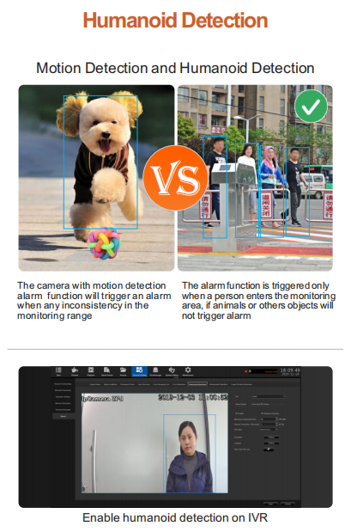
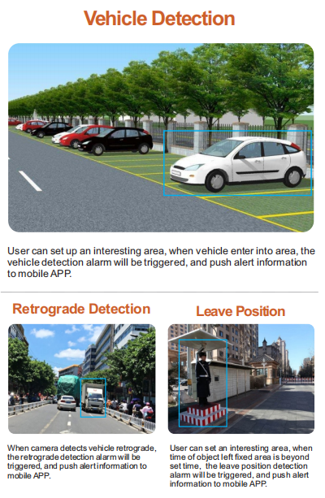
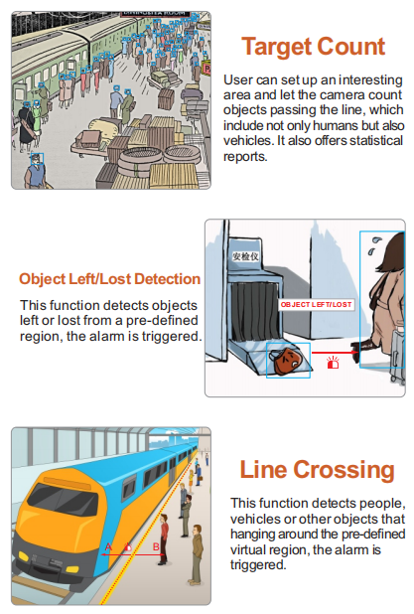
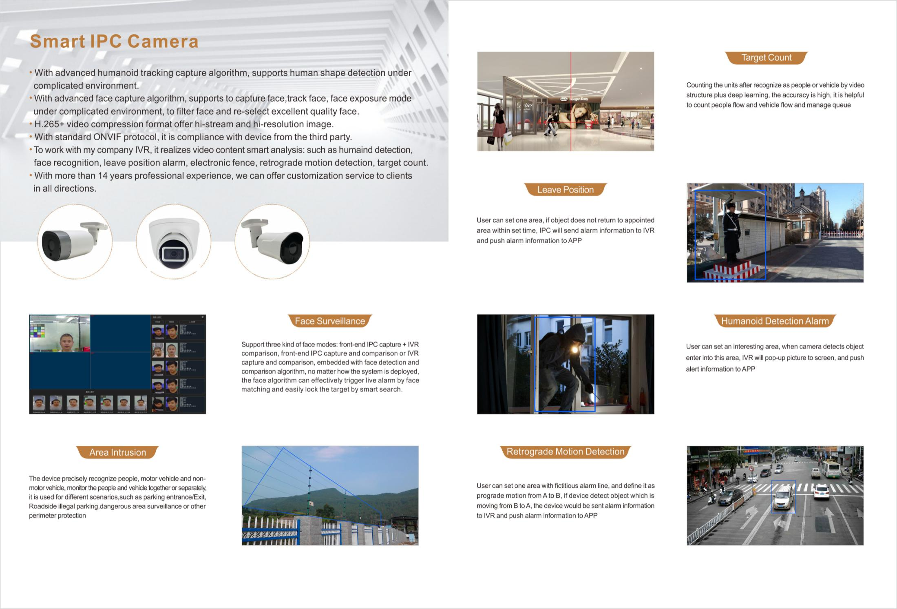
IPC Smart Function Introduction

